Frumgöng
1.7 Samgöngur
Komur skipa í Húsavíkurhöfn
Heimild: | Norðurþing - Rekstrarstjóri hafna: Þórir Örn Gunnarsson
Sótt: | 2021-02-17
2017 |  |  |  |  |  |  | 2017 |  |  |  |  |  |  |  |  |  |  |  |  |  | 2018 |  |  | 2019 |  |  | 2020
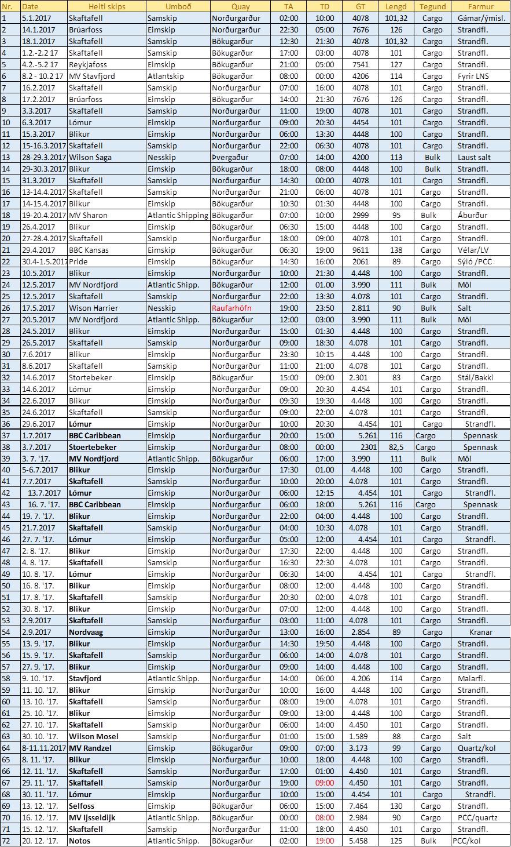
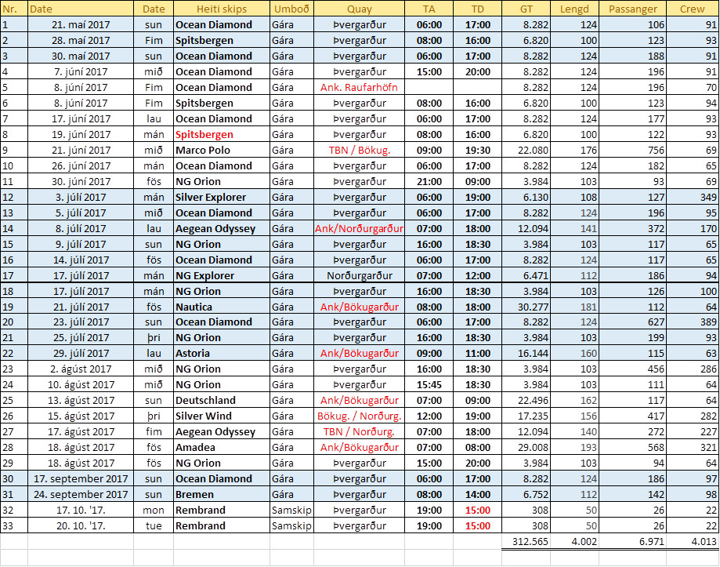
 |  |  |  |  |  |  |  |  |  |  |  |  |  |  |  |  |  |  |  |  | Flutningaskip | 64 |  | Flutningaskip | 65 |  | Flutningaskip | 42
 |  |  |  |  |  |  |  |  |  |  |  |  |  |  |  |  |  |  |  |  | Farþegaskip | 41 |  | Farþegaskip | 29 |  | Farþegaskip | 5

 |  |  |  |  |  |  |  |  |  |  |  |  |  |  |  |  |  |  |  |  | Farþegafjöldi | 7337 |  | Farþegafjöldi | 4810 |  | Farþegafjöldi | 0
 |  |  |  |  |  |  |  |  |  |  |  |  |  |  |  |  |  |  |  |  | Fjöldi í áhöfn | 3815 |  | Fjöldi í áhöfn | 2969 |  | Fjöldi í áhöfn | 0

 |  |  |  |  |  |  |  |  |  |  |  |  |  |  |  |  |  |  |  |  | Brúttotonn í farþegaskpium | 334971
 |  |  |  |  |  |  |  |  |  |  |  |  |  |  |  |  |  |  |  |  | Brúttotonn í flutningaskipum | 273761

 |  | Skipakomur 2011-2015 |  |  | Skipakomur 2016 |  |  |  |  |  |  |  |  | Skipakomur 2016 - Cargo |  |  |  |  |  |  |  |  | Skipakomur 2016 - Cruise
 |  |  |  |  |  | Skip | Dagur | B.T | Lengd | Tegund | Magn/Fj | Umboðsa | Lægi |  | Skip | Dagur | B.T | Lengd | Tegund | Magn/Fj | Umboðsa |  |  | Heiti skips | Dags. | GT | Lengd | Tegund | Farþegaf. | Umboð | Lægi
2011 |  |  | 2014 |  | 1 | María P | 2016-02-09 | 4,450 | 100 | Strandf |  | Samskip |  | 1 | María P | 2016-02-09 | 4,450 | 100 | Strandf |  | Samskip |  | 1 | Ocean Diamond | 2016-05-20 | 8,282 | 130 | Cruise | 146 | Tvg
Alex | 2011-03-13 |  | Wilson Clode | 2014-02-05 | 2 | Winter Bay | 2016-02-24 | 2,731 | 80 | LNS | Bor | Eimskip |  | 2 | Winter Bay | 2016-02-24 | 2,731 | 80 | LNS | Bor | Eimskip |  | 2 | Fram | 2016-05-28 | 11,647 | 114 | Cruise | 191 | Samskip
Wilson Plato | 2011-04-12 |  | Wilson Broce | 2014-04-07 | 3 | Winter Bay | 2016-02-28 | 2,731 | 80 | LNS | Bor | Eimskip |  | 3 | Winter Bay | 2016-02-28 | 2,731 | 80 | LNS | Bor | Eimskip |  | 3 | Ocean Diamond | 2016-05-29 | 8,282 | 130 | Cruise | 139 | Tvg
Wilson Holm | 2011-04-26 |  | Wilson Leith | 2014-04-25 | 4 | Samskip Hofell | 2016-03-02 | 4,450 | 100 | Strand f |  | Samskip |  | 4 | Samskip Hofell | 2016-03-02 | 4,450 | 100 | Strand f |  | Samskip |  | 4 | Minerva | 2016-06-04 | 12,892 | 135 | Cruise | 329 | GBPME
Clipper Odyssey | 2011-08-01 |  | Woyer | 2014-05-23 | 5 | Samskip Hofell | 2016-03-16 | 4,450 | 100 | Strand f |  | Samskip |  | 5 | Samskip Hofell | 2016-03-16 | 4,450 | 100 | Strand f |  | Samskip |  | 5 | Ocean Diamond | 2016-06-07 | 8,282 | 130 | Cruise | 200 | Tvg
Clipper Odyssey | 2011-08-08 |  | Fram | 2014-05-31 | 6 | Klakkur | 2016-03-15 | 726 | 45 | Fiskibátur |  | Samskip |  | 6 | Klakkur | 2016-03-15 | 726 | 45 | Fiskibátur |  | Samskip |  | 6 | Ocean Diamond | 2016-06-16 | 8,282 | 130 | Cruise | 189 | Tvg
 | 5 Skip |  | Explorer | 2014-07-16 | 7 | Fri Kvam | 2016-03-21 | 2,858 | 89 | Frakt | Steipujá | Atlantichipping |  | 7 | Fri Kvam | 2016-03-21 | 2,858 | 89 | Frakt | Steypujárn | Atlantichipping |  | 7 | Ocean Diamond | 2016-06-25 | 8,282 | 130 | Cruise | 183 | Tvg
2012 |  |  | Explorer | 2014-07-25 | 8 | Samskip Hofell | 2016-04-16 | 4,450 | 100 | Strand f |  | Samskip |  | 8 | Samskip Hofell | 2016-04-16 | 4,450 | 100 | Strand f |  | Samskip |  | 8 | Ocean Diamond | 2016-07-04 | 8,282 | 130 | Cruise | 161 | Tvg
Merkor | 2012-03-14 |  |  | 7 Skip | 9 | Fri Tide | 2016-04-22 | 2,218 | 89 | Frakt | Áburður | Atlantichipping |  | 9 | Fri Tide | 2016-04-22 | 2,218 | 89 | Frakt | Áburður | Atlantichipping |  | 9 | Ocean Diamond | 2016-07-13 | 8,282 | 130 | Cruise | 153 | Tvg
Waaidijk | 2012-04-10 |  | 2015 |  | 10 | Samskip Skaftafell | 2016-05-06 | 4,450 | 100 | Strand f |  | Samskip |  | 10 | Samskip Skaftafell | 2016-05-06 | 4,450 | 100 | Strand f |  | Samskip |  | 10 | NG Explorer | 2016-07-16 | 6,471 | 112 | Cruise | 151 | Tvg
Caiedohian Sky | 2012-06-11 |  | Gittana | 2015-04-03 | 11 | María P | 2016-05-11 | 4,450 | 100 | strand f |  | Samskip |  | 11 | María P | 2016-05-11 | 4,450 | 100 | strand f |  | Samskip |  | 11 | Ocean Diamond | 2016-07-22 | 8,282 | 130 | Cruise | 146 | Tvg
Silver Explorer | 2012-06-16 |  | Wilson Liverno | 2015-04-16 | 12 | Ocean Diamond | 2016-05-20 | 8,282 | 130 | Farþega | 146 | Tvg |  | 12 | María P | 2016-05-27 | 4,450 | 100 | Strand f |  | Samskip |  | 12 | NG Explorer | 2016-07-25 | 6,471 | 112 | Cruise | 152 | Tvg
Caiedohian Sky | 2012-08-27 |  | Merdijk | 2015-04-29 | 13 | María P | 2016-05-27 | 4,450 | 100 | Strand f |  | Samskip |  | 13 | Berit | 2016-05-28 | 1,864 | 82 | LNS | Vinnubúðir | Atlantichipping |  | 13 | Astoria | 2016-07-31 | 16,144 | 160 | Cruise | 377 | GBBRS | Anker
BBC Europa | sept |  | BBC Marmara | 2015-05-23 | 14 | Fram | 2016-05-28 | 11,647 | 114 | Farþega | 191 | Samskip |  | 14 | Brúarfoss | 2016-06-03 | 7,676 | 127 | Strand f |  | Eimskip |  | 14 | Voyager | 2016-08-02 | 15,396 | 153 | Cruise | 480 | Tvg | Anker
 | 6 Skip |  | SE Explorer | 2015-05-28 | 15 | Ocean Diamond | 2016-05-29 | 8,282 | 130 | Farþega | 139 | Tvg |  | 15 | Clipper | 2016-06-04 | 11,864 | 143 | Frakt |  | Grendal |  | 15 | Le Boreal | 2016-08-13 | 10,944 | 142 | Cruise | 145 | Tvg
2013 |  |  | Fram | 2015-05-29 | 16 | Berit | 2016-05-28 | 1,864 | 82 | LNS | Vinnu b | Atlantichipping |  | 16 | María P | 2016-06-09 | 4,450 | 100 | Strand f |  | Samskip |  | 16 | Silver Vind | 2016-08-14 | 17,235 | 137 | Cruise | 277 | Tvg | Anker
Wilson Humber | 2013-01-08 |  | Oceon Diamond | 2015-05-30 | 17 | Brúarfoss | 2016-06-03 | 7,676 | 127 | Strand f |  | Eimskip |  | 17 | Industrial Chief | 2016-06-16 | 7,252 | 119 | Frakt | Rör Landsv | Grenadal |  | 17 | Deutsland | 2016-08-14 | 22,496 | 175 | Cruise | 447 | Tvg | Anker
Wilson Broke | 2013-04-08 |  | Saga Pearl | 2015-05-31 | 18 | Minerva | 2016-06-04 | 12,892 | 135 | Farþega | 329 | GBPME |  | 18 | María P | 2016-07-06 | 4,450 | 100 | Strand f |  | Samskip |  | 18 | Amadea | 2016-08-17 | 29,008 | 193 | Cruise | 557 | Tvg | Anker
Joy | 2013-04-23 |  | Sea Spirit | 2015-06-09 | 19 | Clipper | 2016-06-04 | 11,864 | 143 | Frakt | Rör LandsvGrenadal |  |  | 19 | Brúarfoss | 2016-07-10 | 7,676 | 127 | Strand f |  | Eimskip |  | 19 | Ocean Diamond | 2016-08-29 | 8,282 | 130 | Cruise | 191 | Tvg
Gann | 2013-06-25 |  | Sea Explorer | 2015-06-16 | 20 | Ocean Diamond | 2016-06-07 | 8,282 | 130 | Farþega | 200 | Tvg |  | 20 | Wilson Farsund | 2016-07-26 | 3,561 | 90 | Frakt | Salt | Nesskip |  | 20 | Bremen | 2016-09-23 | 6,752 | 112 | Cruise | 134 | Tvg
Diskovrery | 2013-06-07 |  | Skaftafell | 2015-06-16 | 21 | María P | 2016-06-09 | 4,450 | 100 | Strand f |  | Samskip |  | 21 | Flinterdijk | 2016-07-31 | 4,503 | 111 | Strand f | Salt | Ishaf |  | 21 | Rembrondt | 2016-10-11 |  | 39 | Skúta | 15 | Samskip
NC Exploerer | 2013-07-14 |  | Boriel | 2015-07-25 | 22 | Industrial Chief | 2016-06-16 | 7,252 | 119 | Frakt |  | Grenadal |  | 22 | María P | 2016-08-02 | 4,450 | 100 | Strand f |  | Samskip
Clipper Camen | 2013-07-19 |  | Skaftafell | 2015-07-15 | 23 | Ocean Diamond | 2016-06-16 | 8,282 | 130 | Farþegs | 189 | Tvg |  | 23 | María P | 2016-08-17 | 4,450 | 100 | Strand f |  | Samskip |  |  | Samtals kennitölur |  | 229,994 | 2,754 |  | 4,763
Leboreall | 2013-07-27 |  | Skaftafell | 2015-07-29 | 24 | Ocean Diamond | 2016-06-25 | 8,282 | 130 | Farþegs | 183 | Tvg |  | 24 | María P | 2016-08-31 | 4,450 | 100 | Strand f |  | Samskip
Braemen | 2013-08-08 |  | Silver Explorer | 2015-08-12 | 25 | Ocean Diamond | 2016-07-04 | 8,282 | 130 | Farþegs | 161 | Tvg |  | 25 | María P | 2016-09-16 | 4,450 | 100 | Strand f |  | Samskip
Blak Wath | 2013-08-27 |  | BBC Grenadal | 2015-08-13 | 26 | María P | 2016-07-06 | 4,450 | 100 | Strand f |  | Samskip |  | 26 | Brúarfoss | 2016-09-17 | 7,676 | 127 | Strand f |  | Eimskip
Wilson Humber | 2013-09-26 |  | Skaftafell | 2015-08-13 | 27 | Brúarfoss | 2016-07-10 | 7,676 | 127 | Strand f |  | Eimskip |  | 27 | María P | 2016-09-28 | 4,450 | 100 | Strad f |  | Samskip
 | 11 Skip |  | Skaftafell | 2015-08-28 | 28 | Ocean Diamond | 2016-07-13 | 8,282 | 130 | Farþegas | 153 | Tvg |  | 28 | Brúarfoss | 2016-10-02 | 7,676 | 127 | Strad f |  | Eimskip
 |  |  | Ocan Nova | 2015-09-04 | 29 | NG Explorer | 2016-07-16 | 6,471 | 112 | Farþegas | 151 | Tvg |  | 29 | María P | 2016-10-14 | 4,450 | 100 | Strand f |  | Samskip
 |  |  | Skaftafell | 2015-10-08 | 30 | Ocean Diamond | 2016-07-22 | 8,282 | 130 | Farþegas | 146 | Tvg |  | 30 | María P | 2016-10-27 | 4,450 | 100 | Strand f |  | Samskip
 |  |  | Danfinger | 2015-10-07 | 31 | NG Explorer | 2016-07-25 | 6,471 | 112 | Farþegas | 152 | Tvg |  | 31 | Brúarfoss | 2016-11-06 | 7,676 | 127 | Strand f |  | Eimskip
 |  |  | Reykjafoss | 2015-10-16 | 32 | Wilson Farsund | 2016-07-26 | 3,561 | 90 | Frakt | Salt | Nesskip |  | 32 | María P |  | 4,450 |  |  |  | Samskip
 |  |  | Skaftafell | 2015-10-22 | 33 | Astoria | 2016-07-31 | 16,144 | 160 | Farþegas | 377 | GBBRS | Anker | 33 | María P |  | 4,450 |  |  |  | Samskip
 |  |  | Skaftafell | 2015-11-06 | 34 | Flinterdijk | 2016-07-31 | 4,503 | 111 | Strand f | Salt | Ishaf |  | 34 | Reykjafoss |  | 7,541 |  |  |  | Eimskip
 |  |  | Skaftafell | 2015-11-20 | 35 | Voyager | 2016-08-02 | 15,396 | 153 | Farþegas | 480 | Tvg | Anker | 35 | Wilson Clyde | 2016-12-08 | 2,999 |  |  |  | Nesskip
 |  |  | Finder Raid | 2015-11-15 | 36 | María P | 2016-08-02 | 4,450 | 100 | Strand f |  | Samskip |  | 36 | Brúarfoss |  | 7,676 |  |  |  | Eimskip
 |  |  | BBC Marmara | 2015-11-15 | 37 | Le Boreal | 2016-08-13 | 10,944 | 142 | Farþegas | 145 | Tvg |  | 37 | Polonia |  | 6,155 |  |  |  | Eimskip
 |  |  | Skaftafell | 2015-12-05 | 38 | Silver Vind | 2016-08-14 | 17,235 | 137 | Farþegas | 277 | Tvg | Anker
 |  |  | Wilson Let | 2015-12-09 | 39 | Deutsland | 2016-08-14 | 22,496 | 175 | Farþegas | 447 | Tvg | Anker
 |  |  | Selfoss | 2015-12-13 | 40 | Amadea | 2016-08-17 | 29,008 | 193 | Farþegas | 557 | Tvg | Anker
 |  |  |  |  | 41 | María P | 2016-08-17 | 4,450 | 100 | Strand f |  | Samskip |  |  | Samtals kennitölur |  | 154,338 | 3,163
 |  |  |  | 30 Skip | 42 | Ocean Diamond | 2016-08-29 | 8,282 | 130 | Farþegas | 191 | Tvg
 |  |  |  |  | 43 | María P | 2016-08-31 | 4,450 | 100 | Strand f |  | Samskip
 |  |  |  |  | 44 | María P | 2016-09-16 | 4,450 | 100 | Strand f |  | Samskip
 |  |  |  |  | 45 | Brúarfoss | 2016-09-17 | 7,676 | 127 | Strand f |  | Eimskip
 |  |  |  |  | 46 | Bremen | 2016-09-23 | 6,752 | 112 | Farþegas | 134 | Tvg
 |  |  |  |  | 47 | María P | 2016-09-28 | 4,450 | 100 | Strad f |  | Samskip
 |  |  |  |  | 48 | Brúarfoss | 2016-10-02 | 7,676 | 127 | Strad f |  | Eimskip
 |  |  |  |  | 49 | Rembrondt | 2016-10-11 |  | 39 | Skúta |  | Samskip
 |  |  |  |  | 50 | María P | 2016-10-14 | 4,450 | 100 | Strand f |  | Samskip
 |  |  |  |  | 51 | María P | 2016-10-27 | 4450 | 100 | Strand f |  | Samskip
 |  |  |  |  | 52 | Brúarfoss | 2016-11-06 | 7676 | 127 | Strand f |  | Eimskip
 |  |  |  |  | 53 | María P | 2016-11-10
 |  |  |  |  | 54 | María P | 2016-11-23
 |  |  |  |  | 55 | Reykjafoss | 2016-11-27
 |  |  |  |  | 56 | Wilson Clyde | 2016-12-08
 |  |  |  |  | 57 | Brúarfoss | 2016-12-11
 |  |  |  |  | 58 | Polonia | 2016-12-13
 |  |  |  |  | 59

Úrvinnsla
1.7 Samgöngur
Komur skipa í Húsavíkurhöfn
Heimild: | Norðurþing - Rekstrarstjóri hafna: Þórir Örn Gunnarsson
Sótt: | 2021-02-17

 |  | 2011 | 2012 | 2013 | 2014 | 2015 | 2016 | 2017 | 2018 | 2019 | 2020
 | Flutningaskip | 3 | 3 | 4 | 3 | 19 | 37 | 72 | 64 | 65 | 42
 | Farþegaskip | 2 | 3 | 7 | 4 | 9 | 21 | 33 | 41 | 29 | 5
 | Alls | 5 | 6 | 11 | 7 | 28 | 58 | 105 | 105 | 94 | 47

 |  | 2011 | 2012 | 2013 | 2014 | 2015 | 2016 | 2017 | 2018 | 2019 | 2020
 | Farþegafjöldi |  |  |  |  |  | 4763 | 6971 | 7337 | 4810 | 0
 | Áhöfn farþegaskipa |  |  |  |  |  |  | 4013 | 3815 | 2969 | 0
 | Samtals | 0 | 0 | 0 | 0 | 0 | 4763 | 10984 | 11152 | 7779 | 0

Birting
1.7 Samgöngur
Komur skipa í Húsavíkurhöfn
Heimild: | Norðurþing - Rekstrarstjóri hafna: Þórir Örn Gunnarsson
Sótt: | 2021-02-17

 | Flutningaskip | Farþegaskip
2011 | 3 | 2
2012 | 3 | 3
2013 | 4 | 7
2014 | 3 | 4
2015 | 19 | 9
2016 | 37 | 21
2017 | 72 | 33
2018 | 64 | 41
2019 | 65 | 29
2020 | 42 | 5

